Markov e MTTF
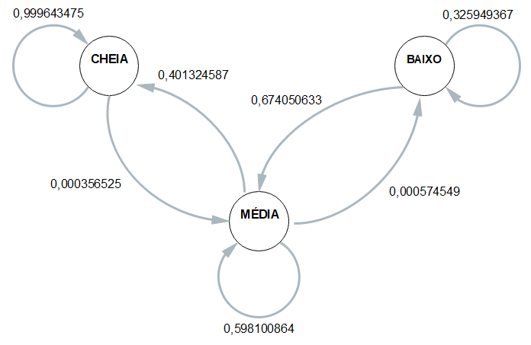
 | ESP1 | ESP2 | ESP3 | ESP4 | MÉDIA
CC | 0.99964788732 | 0.99964260186 | 0.99964209019 | 0.99964131994 | 0.99964347483
CM | 0.00035211267606 | 0.00035739814153 | 0.00035790980673 | 0.00035868005739 | 0.00035652517043
CB | 0 | 0 | 0 | 0 | 0
 | 1 | 1 | 1 | 1 | 1
MC | 0.40011481056 | 0.40495391705 | 0.40011481056 | 0.40011481056 | 0.40132458718
MM | 0.59931113662 | 0.59447004608 | 0.59931113662 | 0.59931113662 | 0.59810086399
MB | 0.00057405281286 | 0.00057603686636 | 0.00057405281286 | 0.00057405281286 | 0.00057454882623
 | 1 | 1 | 1 | 1 | 1
BC | 0 | 0 | 0 | 0 | 0
BM | 0.67088607595 | 0.6835443038 | 0.69620253165 | 0.64556962025 | 0.67405063291
BB | 0.32911392405 | 0.3164556962 | 0.30379746835 | 0.35443037975 | 0.32594936709

 | Esp1 | Esp2 | Esp3 | Esp4
Hora Inicial | 1900-01-01 18:08:13 | 1900-01-01 18:13:00 | 1900-01-01 18:18:51 | 1900-01-01 18:21:12 |  | 1900-01-01 18:15:19
Hora Limite 2,8 | 1900-01-01 07:08:57 | 1900-01-01 07:05:33 | 1900-01-01 07:21:07 | 1900-01-01 07:13:04 |  | 1900-01-01 07:12:10
Hora final | 1900-01-01 07:22:25 | 1900-01-01 07:19:01 | 1900-01-01 07:34:35 | 1900-01-01 07:26:32 | MTTF | 1900-01-01 07:25:38
total de horas até 2,8 | 10:59:16 | 11:07:27 | 10:57:44 | 11:08:08 | 11:03:09 | 11:03:09

